Assy BOM
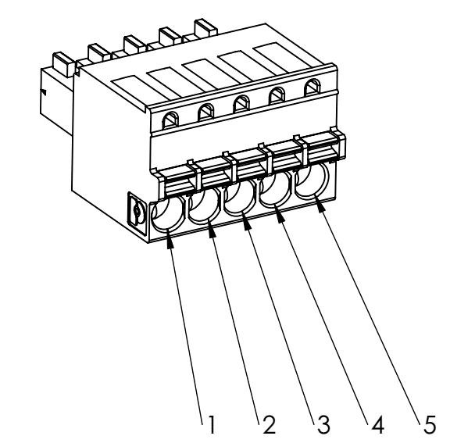
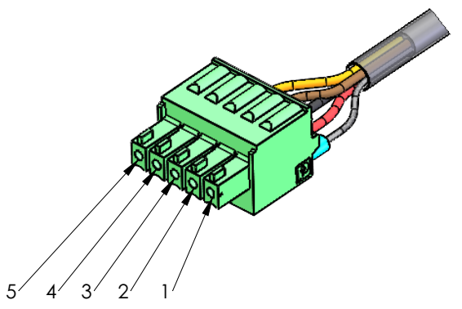
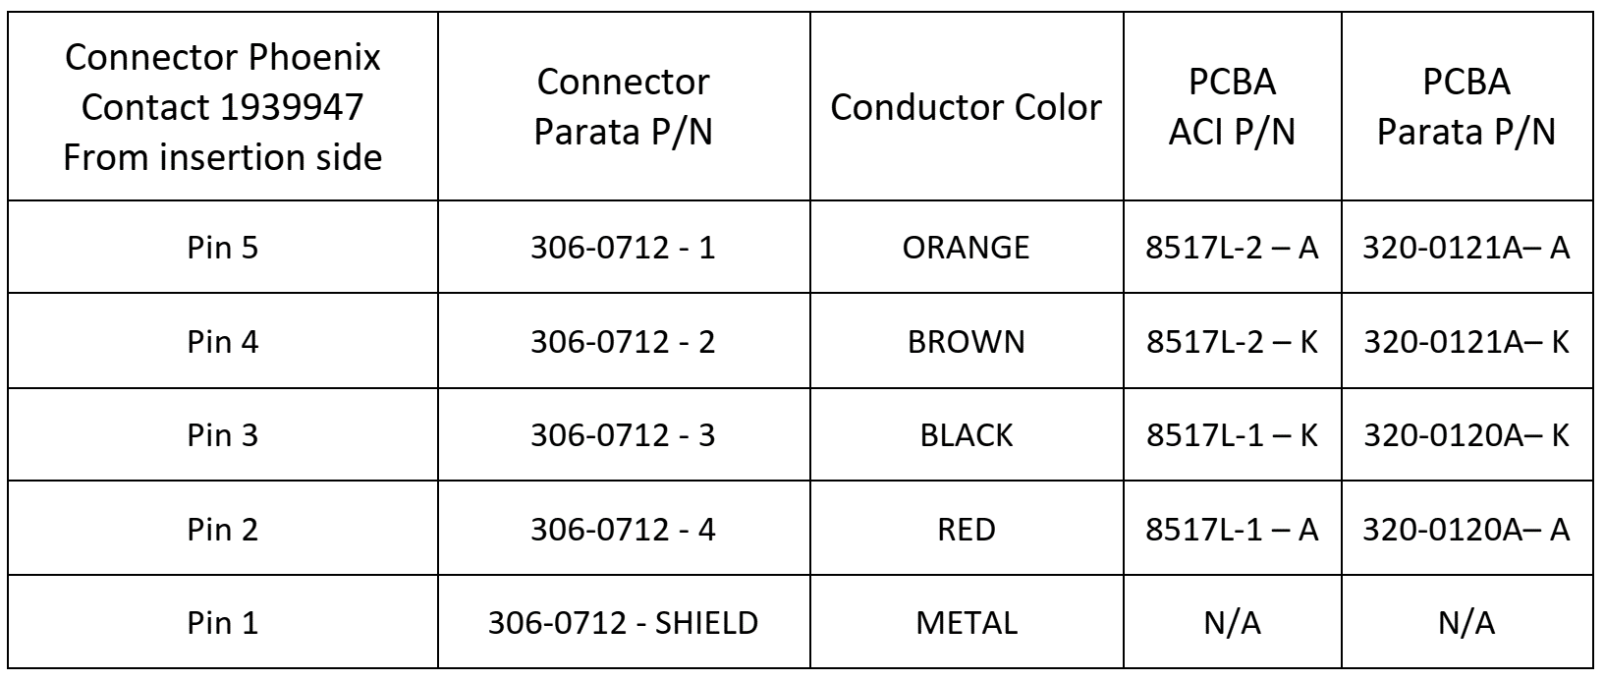
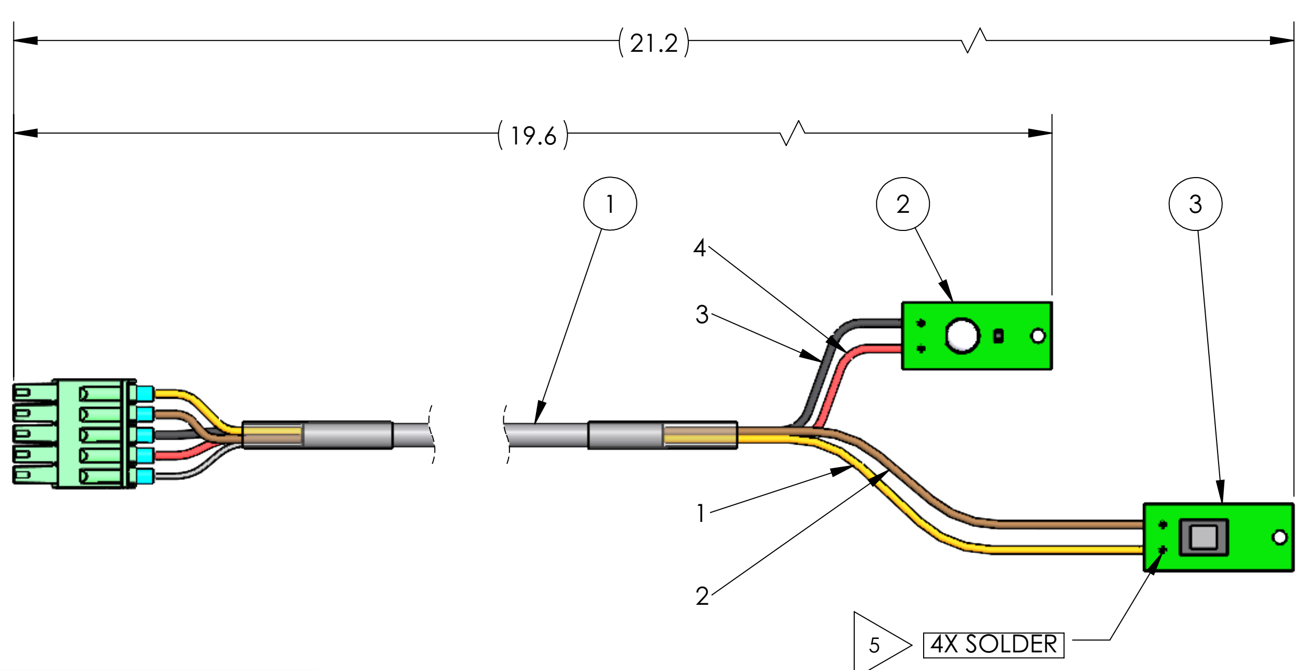
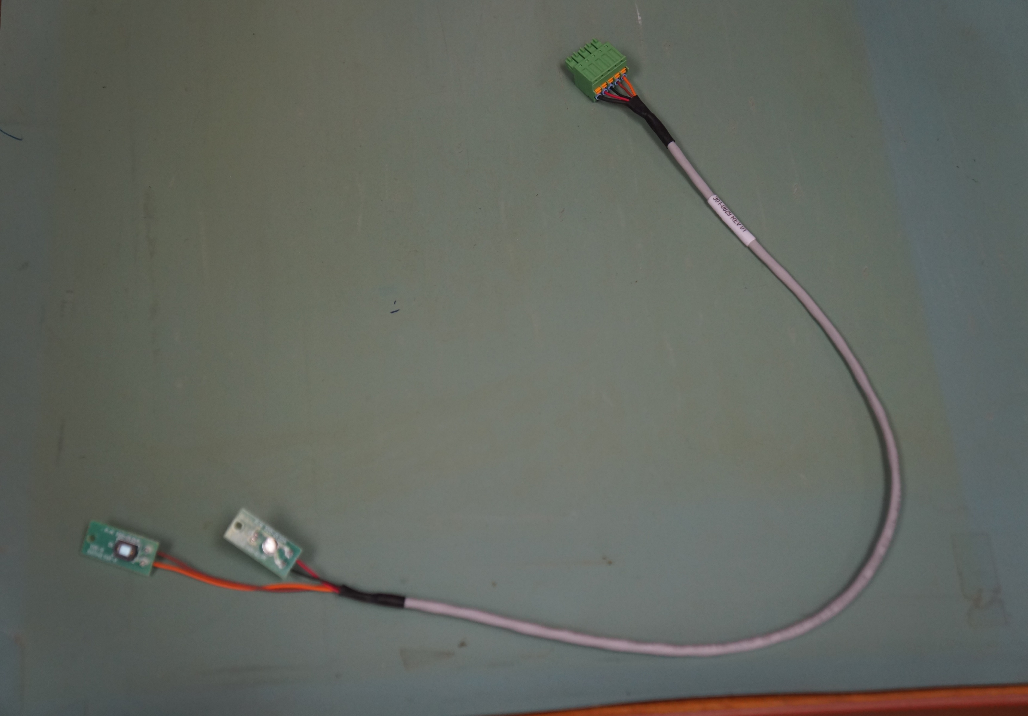
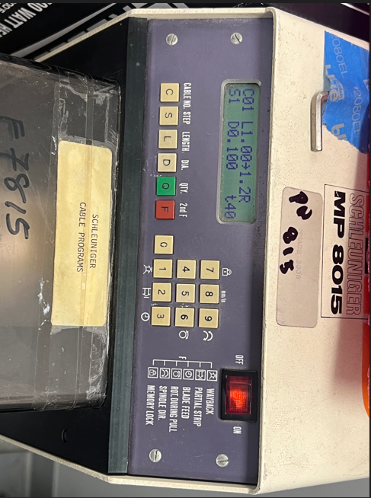
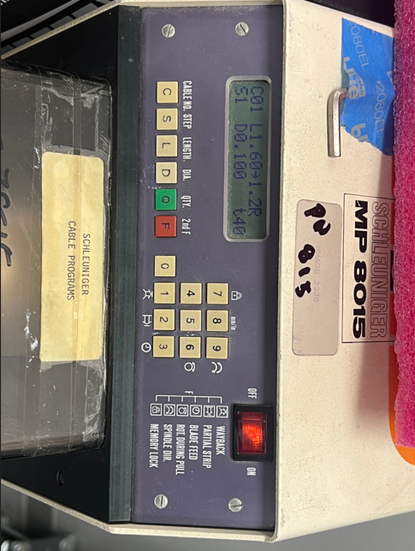
BOM FOR ASSEMBLY |  |  |  |  |  |  |  |  | Referral: | 0 |  |  |  |  |  |  |  |  |  |  | NA,0
 |  |  |  |  |  | "POU LEGEND" "Not Installed (DNI)" "Top & Back(SMT)" "HAND Place (HP)" "SLIDE & WAVE (PTH)" "Hand Solder (HS)" "Final Assembly (FA)" "Pack" "Cable Assm (CA)" |  |  |  |  |  | Notes for Purchasing |  |  |  |  |  |  |  |  | Read_Desc_DB,1
Job #: | 8517LF | Cust | PARATA |  |  |  |  |  |  |  |  |  |  |  |  |  |  |  |  |  | Write_Desc_DB, 2
Job Rev: | D | Cust P/N | 301-0834 |  |  |  |  |  |  |  |  |  |  |  |  |  |  |  |  |  | Read_POU_DB, 3
Last Rev: | 2026-06-25 | Cust Rev: | 02 |  |  |  |  |  |  |  |  |  |  |  |  |  |  |  |  |  | Write_POU_DB, 4
 |  |  |  |  |  |  |  |  |  |  |  |  |  |  |  |  |  |  |  |  | Read_JOB_Note_DB, 5
Notes: | Part Supply:ACI ID Label |  |  |  |  |  |  |  |  |  |  | PER ASSY COST TO PURCHASE |  |  | 0.000 |  |  |  |  |  | Write_JOB_Note_DB, 6
 |  |  |  |  |  |  |  |  |  |  |  | TOTAL PURCHASE COST |  |  | 0.000 |  |  |  |  |  | Read_MPN_NOTE_DB, 7
 |  |  |  |  |  |  |  | Build Qty |  |  |  |  |  |  |  |  |  |  |  |  | Write_MPN_NOTE_DB, 8
Line | DESC | MAN | MPN | ACI PN | QTY | POU | LOC | 50 | STK | ORD | ORDD | PAID | DIST | PO | DUE | REC | NOTES | purchasing notes | vendor p/n | cust p/n
5 | LABEL GENERIC 1.00 X 2.25 SELF-LAMINATING VINYL | BRADY | THT-64-427-3 | 8517LF-5 | 1 | FA | ITEM1 | 0.250 |  | 60
10 | HEAT SHRINK 3/16IN DIAMETER BLACK (TWO PIECES CUT LENGTH 1", SEE PICTURE BELOW) | SUMITOMA ELECTRIC | SUMITUBE F2-3/16 | 8517LF-10 | 2 | CA | REFERITEM2 | 0.250 |  | 115
10 | ZSUB FOR ABOVE | ALPHA WIRE COMPANY | F2213/16 BK103 | 8517LF-10 |  | CA | REFERITEM2 | 0.250
10 | ZSUB FOR ABOVE | ALPHA WIRE COMPANY | F2213/16 BK005 | 8517LF-10 |  | CA | REFERITEM2 | 0.250
15 | CONNECTOR PLUG 5 POSITION | PHOENIX CONTACT INC. | 1939947 | 8517LF-15 | 1 | CA | ITEM3 | 10.500 |  | 50
20 | CABLE 4 CONDUCTOR SHIELDED 24 AWG HIGH FLEX (CUT LENGTH 20", STRIP LEGNTH FOR CABLE SEE BELOW, STRIP LENGTH FOR WIRES 0.25" ON BOARD SIDE, STRIP LENGTH FOR WIRES 0.31" ON FERRULE SIDE ) | ALPHA WIRE COMPANY | 78124 | 8517LF-20 | 1 | CA | ITEM4 | 9.120 |  | 50
20 | ZSUB FOR ABOVE | ALPHA WIRE COMPANY | 78124-SL001 | 8517LF-20 |  | CA | ITEM4 | 9.120
20 | ZSUB FOR ABOVE | ALPHA WIRE COMPANY | 78124-SL005 | 8517LF-20 |  | CA | ITEM4 | 9.120
20 | ZSUB FOR ABOVE | ALPHA WIRE COMPANY | 78124-SL199 | 8517LF-20 |  | CA | ITEM4 | 9.120
25 | CONN FERRULE W TYPE 24-26AWG BLU INSULATED | American Electrical Inc. | 11820025 | 8517LF-25 | 5 | CA | REFERITEM5 | 0.160 |  | 275
30 | HEAT SHRINK 1/16 IN SUPPLIED ID .018 IN RECOVERED ID BLACK 1.0 IN | QUALTEK | Q2-F3X-1/16-01-MS100FT | 8517LF-30 | 1 | CA | REFERITEM6 | 0.250 |  | 60
35 | 321-0120A STICKER SENSOR EMITTER | ACI | 8517L-1 | 8517LF-35 | 1 | FA | REFER8517L-1 | 0.000
40 | 321-0121A STICKER SENSOR DETECTOR | ACI | 8517L-2 | 8517LF-40 | 1 | FA | REFER8517L-2 | 0.000
45 | CRIMPER PANDUIT CT-1550 INSULATED QUICK CONNECT CLOSED BARREL CRIMP TOOL 10-22AWG | ACI | CR136 | 8517LF-45 | 1 | TOOL | TOOLING | 0.000

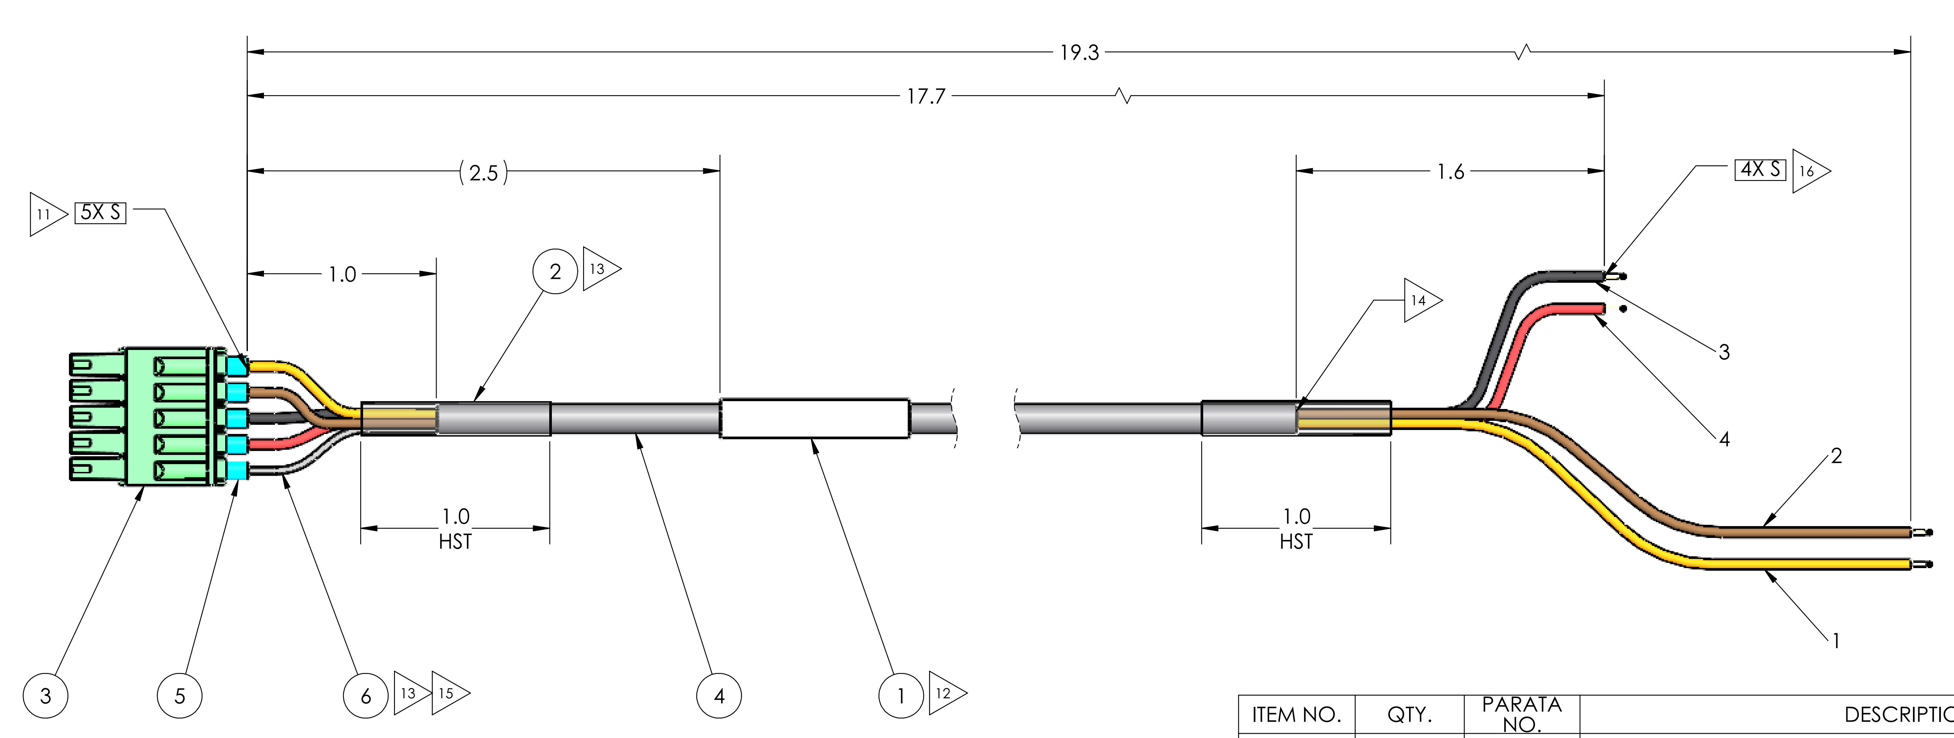
3.2

